BOM tree
 | BOM TREE

INTRODUCTION
This page shows the BOM tree representation of the BOMs which will be used for the examples shown in this document. The BOMs are represented both in Single-level and in Multi-level configuration. The differences between the old BOM and the new BOM are shown with a different color. Both BOMs are the representation of the same assembly, which is the bike shown below.

NEW |  | OLD
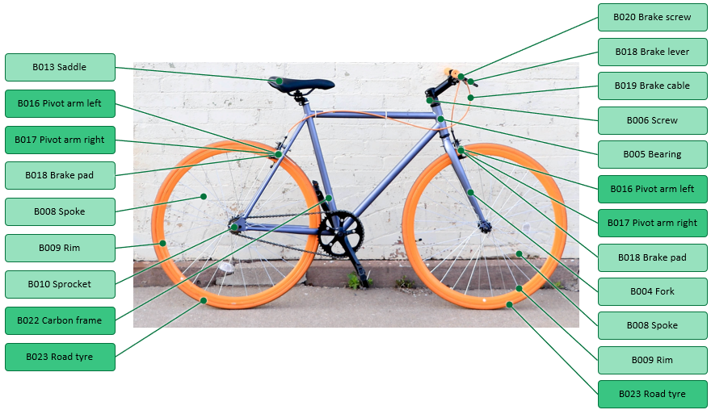
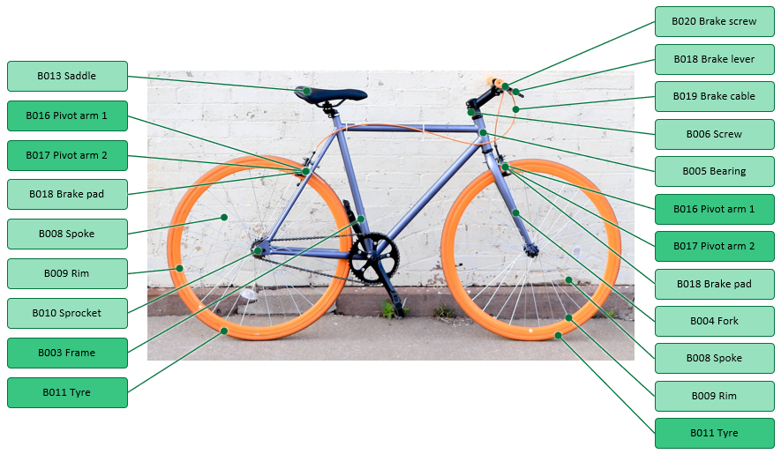

SINGLE-LEVEL BOM

NEW |  | OLD

MULTI-LEVEL BOM

NEW |  | OLD

